Estimate parameters
...
Scale | 1,000,000
CostPerYr_PCSK9 | $14,350
QALYsPerYr_PCSK9 | 0.0452
CostPerYr_PCSK9_Pop | 8681.75
r_disc | 3%
ICER report, Table 14 |  |  |  |  |  |  | i-0.5 | D_i | sum D_i | Lifetime cume cost ($M) | Lfietime cume QALY
 | Delta $ |  |  | Delta QALYs |  |  | 0.5 | 0.98532927816 | 0.98532927816 | $8,554 | 26,930
 | Population | Per person |  |  |  |  | 1.5 | 0.95663036715 | 1.9419596453 | $16,860 | 53,075
Statins | $- |  |  |  |  |  | 2.5 | 0.92876734675 | 2.8707269921 | $24,923 | 78,459
Statins + Exitimibe | $40,359.00 | $66,709.09 | 23.58878745 | 250,600 | 0.41421487603 | 0.017432559039 | 3.5 | 0.90171587063 | 3.7724428627 | $32,751 | 103,103
Statins + PCSK9 | $210,516.00 | $347,960.33 | 24.248106661 | 665,200 | 1.0995041322 | 0.0452 | 4.5 | 0.87545230158 | 4.6478951643 | $40,352 | 127,030
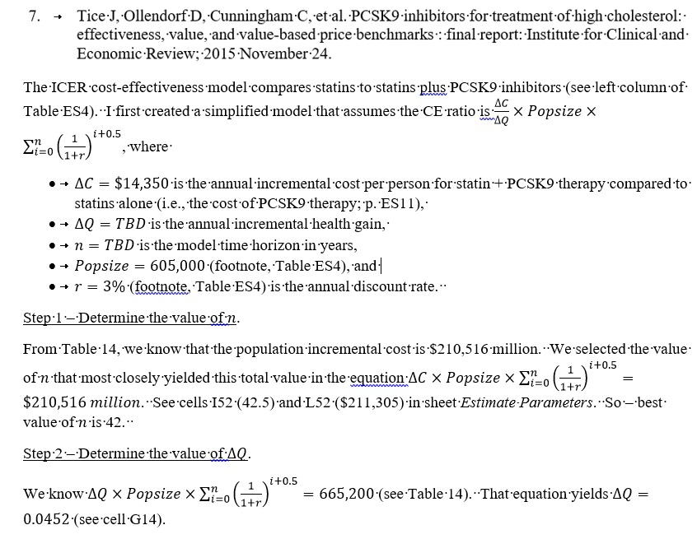
 |  |  |  |  |  |  | 5.5 | 0.84995369086 | 5.4978488551 | $47,731 | 150,260
 |  |  |  |  |  |  | 6.5 | 0.82519775811 | 6.3230466132 | $54,895 | 172,813
 |  |  |  |  |  |  | 7.5 | 0.80116287195 | 7.1242094852 | $61,851 | 194,709
 |  |  |  |  |  |  | 8.5 | 0.77782803102 | 7.9020375162 | $68,604 | 215,968
 |  |  |  |  |  |  | 9.5 | 0.75517284565 | 8.6572103619 | $75,160 | 236,607
 |  |  |  |  |  |  | 10.5 | 0.73317752005 | 9.3903878819 | $81,525 | 256,645
 |  |  |  |  |  |  | 11.5 | 0.711822835 | 10.102210717 | $87,705 | 276,100
 |  |  |  |  |  |  | 12.5 | 0.69109013107 | 10.793300848 | $93,705 | 294,988
 |  |  |  |  |  |  | 13.5 | 0.6709612923 | 11.46426214 | $99,530 | 313,326
 |  |  |  |  |  |  | 14.5 | 0.65141873039 | 12.115680871 | $105,185 | 331,129
 |  |  |  |  |  |  | 15.5 | 0.63244536931 | 12.74812624 | $110,676 | 348,415
 |  |  |  |  |  |  | 16.5 | 0.6140246304 | 13.36215087 | $116,007 | 365,196
 |  |  |  |  |  |  | 17.5 | 0.59614041786 | 13.958291288 | $121,182 | 381,489
 |  |  |  |  |  |  | 18.5 | 0.57877710472 | 14.537068393 | $126,207 | 397,308
 |  |  |  |  |  |  | 19.5 | 0.56191951915 | 15.098987912 | $131,086 | 412,665
 |  |  |  |  |  |  | 20.5 | 0.54555293121 | 15.644540843 | $135,822 | 427,576
 |  |  |  |  |  |  | 21.5 | 0.52966304001 | 16.174203883 | $140,420 | 442,052
 |  |  |  |  |  |  | 22.5 | 0.51423596117 | 16.688439845 | $144,885 | 456,106
 |  |  |  |  |  |  | 23.5 | 0.49925821473 | 17.187698059 | $149,219 | 469,751
 |  |  |  |  |  |  | 24.5 | 0.48471671333 | 17.672414773 | $153,427 | 482,999
 |  |  |  |  |  |  | 25.5 | 0.47059875081 | 18.143013523 | $157,513 | 495,860
 |  |  |  |  |  |  | 26.5 | 0.45689199108 | 18.599905514 | $161,480 | 508,348
 |  |  |  |  |  |  | 27.5 | 0.44358445735 | 19.043489972 | $165,331 | 520,471
 |  |  |  |  |  |  | 28.5 | 0.4306645217 | 19.474154494 | $169,070 | 532,241
 |  |  |  |  |  |  | 29.5 | 0.41812089486 | 19.892275388 | $172,700 | 543,669
 |  |  |  |  |  |  | 30.5 | 0.40594261637 | 20.298218005 | $176,224 | 554,764
 |  |  |  |  |  |  | 31.5 | 0.39411904502 | 20.69233705 | $179,646 | 565,535
 |  |  |  |  |  |  | 32.5 | 0.38263984953 | 21.074976899 | $182,968 | 575,993
 |  |  |  |  |  |  | 33.5 | 0.37149499954 | 21.446471899 | $186,193 | 586,146
 |  |  |  |  |  |  | 34.5 | 0.36067475684 | 21.807146656 | $189,324 | 596,004
 |  |  |  |  |  |  | 35.5 | 0.35016966683 | 22.157316323 | $192,364 | 605,574
 |  |  |  |  |  |  | 36.5 | 0.33997055032 | 22.497286873 | $195,316 | 614,866
 |  |  |  |  |  |  | 37.5 | 0.33006849546 | 22.827355368 | $198,181 | 623,887
 |  |  |  |  |  |  | 38.5 | 0.32045484996 | 23.147810218 | $200,964 | 632,645
 |  |  |  |  |  |  | 39.5 | 0.31112121356 | 23.458931432 | $203,665 | 641,148
...

Case study 3
 | Discount rate
Year Gen | DR 3% | DR 1% | DR 5%
10 | $69,261 | $59,527 | $79,100
12 | $76,018 | $65,318 | $86,539
14 | $82,387 | $70,995 | $93,287
16 | $88,391 | $76,560 | $99,407
18 | $94,050 | $82,015 | $104,959
20 | $99,385 | $87,363 | $109,994
22 | $104,413 | $92,606 | $114,561
24 | $109,152 | $97,745 | $118,703
...
 | Year generic
Disc rate | 15 yrs | 10 yrs | 24 yrs
1% | $73,791 | $59,527 | $97,745
1.50% | $76,714 | $61,909 | $100,738
2% | $79,639 | $64,333 | $103,645
2.50% | $82,551 | $66,788 | $106,453
3% | $85,434 | $69,261 | $109,152
3.50% | $88,274 | $71,739 | $111,732
4% | $91,059 | $74,212 | $114,186
4.50% | $93,778 | $76,669 | $116,511
5% | $96,422 | $79,100 | $118,703
...
 | Discount rate
 | Time Horizon
Year Gen | 42 | 70 | 20
10 | $69,261 | $62,351 | $92,475
12 | $76,018 | $67,955 | $103,107
14 | $82,387 | $73,237 | $113,129
16 | $88,391 | $78,216 | $122,575
18 | $94,050 | $82,909 | $131,479
20 | $99,385 | $87,333 | $139,872
22 | $104,413 | $91,503 | $143,886
24 | $109,152 | $95,433 | $143,886
...
 | Discount rate
CostGen
$1,000
$1,500
$2,000
$2,500
$3,000
$3,500
$4,000
$4,500
$5,000
...

Case study 4
...
Time Horizon | 2x | 3x | 1.5x | No Next Gen
15 | $138,175 | $138,175 | $138,175 | $138,175
20 | $120,251 | $116,331 | $122,312 | $117,922
25 | $117,341 | $102,600 | $126,423 | $105,645
30 | $115,748 | $96,143 | $128,889 | $97,484
34 | $114,919 | $93,033 | $130,238 | $92,730
35 | $112,509 | $90,617 | $127,967 | $91,719
40 | $102,803 | $81,129 | $118,652 | $87,471
45 | $95,851 | $74,566 | $111,810 | $84,242
50 | $90,677 | $69,801 | $106,622 | $81,729
55 | $86,715 | $66,219 | $102,592 | $79,737
60 | $83,613 | $63,454 | $99,403 | $78,136
65 | $81,144 | $61,278 | $96,842 | $76,833
70 | $79,151 | $59,537 | $94,760 | $75,763
...

